Module 15
Main
 | Module 15 - Evaluating audit evidence and completion procedures

 | Empahais of matter
 | key audit matter - listed and PIE only
 | Going concern
 | Other information

 | Completion procedures
 | ISA (UK) 220 Quality Management for an Audit of Financial Statements
 | ISA (UK) 230 Audit Documentation
 | ISA (UK) 330 The Auditor’s responses to assessed risks
 | ISA (UK) 450 Evaluation of Misstatements Identified During the Audit
 | ISA (UK) 520 Analytical Procedures
 | ISA (UK) 560 Subsequent Events
 | ISA (UK) 570 Going Concern
 | ISA (UK) 580 Written Representations

 | Going concern assumption is correct

 | Direcors' prepare going concern assesment and auditors check it
 | if mgmt haven't done it. Then auditors have to request it

 | However, it is likely to be straightforward for those currently
 | generating profits and with good access to finance, focusing on:
 | • The preparation and review of forecasts and budgets
 | • A review of lending facilities
 | • A review of any pending legal cases

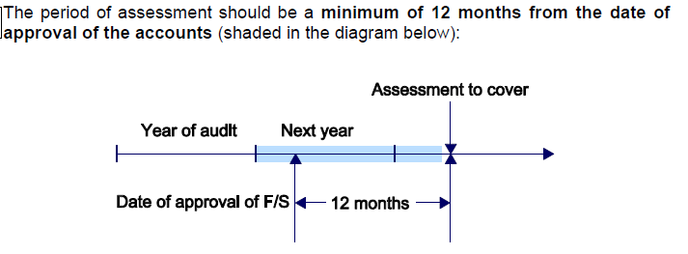

 | GC is from the date of approval of the account.
 | 12m from signoff
 | not YE
 | extend GC opinion if adaut review date gets pushed back
 | 1 whole mark for just stating GC date is 1 12m from signoff

 | Activity 1: Coffee House Ltd
 | The directors' procedures would include:
 | • Setting an annual budget including cash flow forecast
 | • Performing a sensitivity analysis
 | • Setting medium-term business and financial plans (2–5 years)
 | • Assessing overdraft facilities and reviewing any covenants
 | • Reviewing contracts with major customers and suppliers
 | • Reviewing competitor performance or entry to local market

 | Must remain alert throuhgout the entire audit process for any factors which would affect the going concern

 | The auditor is required to evaluate management’s assessment of going concern. In
 | doing this the auditor must perform procedures to obtain sufficient appropriate
 | evidence about whether:
 | • events or conditions exist that may cast significant doubt over going concern
 | • material uncertainties related to going concern exists
 | • management’s use of the going concern assumption is appropriate

 | Procedures that the auditor will perform to evaluate management’s assessment will
 | include:
 | • evaluating management’s method (including appropriateness of the method
 | and calculations used)
 | • evaluating the relevance and reliability of data used by management
 | • evaluating the appropriateness and consistency of assumptions made
 | • evaluating management’s plans for future actions relating to the assessment
 | • considering any additional facts or information available since management made their initial assessment
 | • requesting written representations regarding any future actions and the feasibility of such plans

 | Design procedures to assess going concern

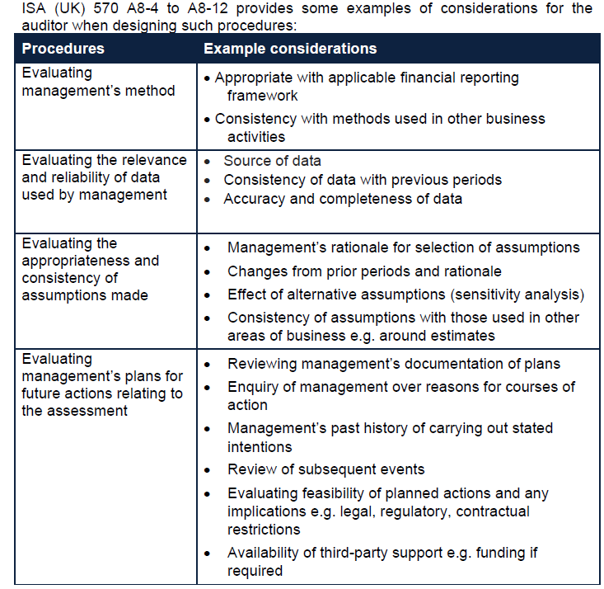

 | Examples of other procedures are
 | • Analysing and discussing cash flow, profit and other relevant forecasts
 | • Discussing the entity’s latest interim financial statements (the auditor may also consider management accounts)
 | • Reviewing the terms of debentures and loan agreements
 | • Reading minutes or meetings of shareholders, those charged with governance and relevant committee
 | • Making inquiries of lawyers regarding ongoing litigation or claims against the company
 | • Confirming the existence and adequacy of borrowing facilities
 | • Inspecting regulatory reports

 | 12m from signoff
 | if the client hasn't done the GC consideration for 12m from sign off date. They have to extend it

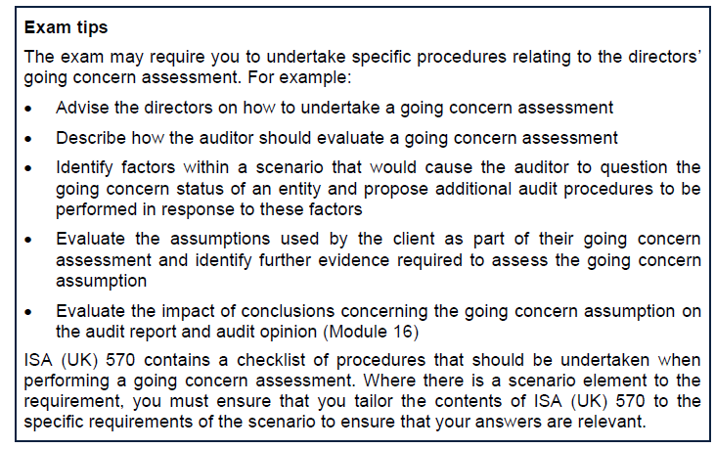

 | Activity 2

 | 1. Sales are projected to increase by 50% as a result of a new contract, which
 | started on 1 March 20X7, with a major department store retailer.

 | Reasonableness
 | If true this is reasonable.
 | However, having 50% of revenue com efrom one customer is a very risky source of revenue.
 | would subsequently losing this customer have a negative effect
 | new relationship - not established
 | what are the term and length of this contract.
 | is it 50% of next months sales or the next 5 years?
 | we are making losses. Will increasing sales actually change this?
 | if the fross profit is negative. This will only acccelerate losses.

 | Further evidence
 | ok, let's see the contract with the exepcted orde quantities. Let's see the intial orders to confirm this claim
 | any comms between parties to confirm this.

 | 2. The company's bank overdraft is due to expire in three months and, at the year
 | end, the account was overdrawn by £250,000. However, the directors are
 | confident that the bank will renew the overdraft facility and increase this
 | temporarily for six months to £500,000.

 | Reasonableness
 | Based on what?
 | without proper evidence, this is not a reasonable assumption
 | the bank has their own credit risk
 | they are aware of the financial state (negative equity) as well.
 | why would they look to renew and extend

 | Further evidence
 | we need to see draft agreements from the bank to corroborate this.
 | If the overdraft is extended and increased, we will need to confirm with management the purpose for the overdraft extension and the plans in place to ensure that the additional funding can be repaid after 6 months.
 | If the bank does not extend the overdraft, we will need to consider what other plans management has to repay the amount outstanding and to provide working capital in order to continue its operations.

 | 3. The company is planning an upgrade of its existing manufacturing equipment.
 | This will require £750,000 of funding. The company expects that the bank will
 | grant a loan of £750,000 with an interest rate of 1% which will be repayable as a
 | lump sum payment in five years.

 | Reasonableness
 | insane. Why would the bank lend to a company with negative equity and a fully ovedrawn and expiring overdraft
 | and a rate of 1% - that is a very optimistic rate

 | Further evidence
 | agreement in principle from the bank showing amount and expected interest rate
 | Furthermore, the low interest rate of 1% and assumption that the full amount can be repaid after five years with no interim payments also seems unlikely.
 | We will need to understand whether the upgrade is essential to the ongoing productivity of the company in the event that the loan is not approved.

 | 4. Quarter two includes a projected outflow of £200,000 in relation to a legal claim
 | against the company by one of its employees for an accident which occurred in
 | the company's factory.

 | Reasonableness
 | this is probably a reasonable assumption
 | the outflow has been provisioned. Presumably at the advice of a lawyer

 | Further evidence
 | legal evidence confirming the liklihood of paying out
 | and an estimate amount to pay out
 | would need 3rd party evidence from a lawyer to confirm this
 | how did they arrive at 22k as the number

 | 5. The forecasts do not include any provision for corporation tax.
 | reasonable
 | should include a line for CT. As the company is loss making and has been for a while
 | it likely has carry forward losses. So CT isn’t a major factor in the year. But it should be
 | need to include tax in a cashflow forecast as it is a major cash expense for a business
 | as they are projecting a profit this year, CT will be payable

 | further eivdence
 | latest tax documentation from HMRC showing amounts payable/due
 | assess the assumption there are carry forward losses.

 | need to review 2 statements in relation to going concern
 | the director's statement in the financial statements about the appropriateness of the GC basis of accountign
 | director's explanation of the prospects of the entity, the period considered nd why that period is appropriate (viability statement)

 | Adjusting events
 | these provide evidence of conditions that existed at the period end

 | sold for a loss post year end. The conditions which existed to make it a loss probably existed at year end
 | if a debtor goes into liquidation - this normally indicates the debtor was in financial difficulty at year end

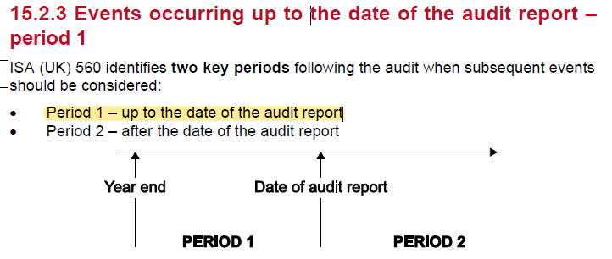

 | Subs event review still falls into materiality

 | These may include:
 | • Obtaining an understanding of any procedures management has established to identify subsequent events
 | • Asking management and those charged with governance about any potential events, for example: new debt or other obligations, plans to change financial structure and other contingencies
 | • Consider whether written representations covering particular subsequent events may be necessary to support other audit evidence
 | • Reviewing board and committee meeting minutes and enquiring about other matters discussed but not yet minuted.
 | • Reviewing interim financial information as well as budgets, forecasts and other relevant information
 | • Communicating with the entity’s legal representatives to consider any litigation or other claims
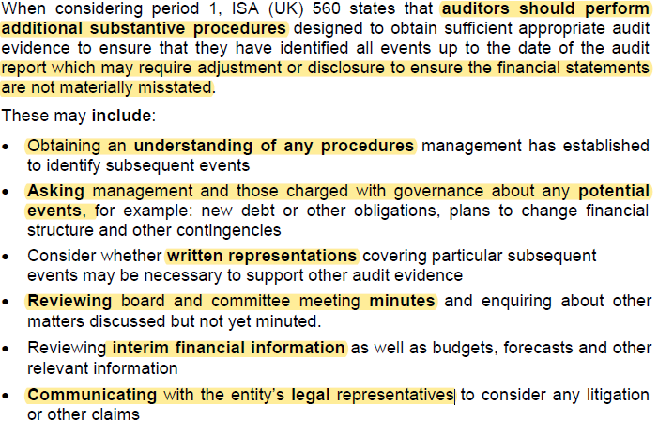

 | need to be alert to any subsequent events right up to the date of signoff
 | considered going concern and subsequent event up to the date of signoff
 | extent of review is proportionate to the length of time between BS date and FS

 | Period 2
 | auditor has no obligation after the date of the audit report
 | however, if something identified after signoff and before FS issued. Then need to discuss with mgmt if changes needed.

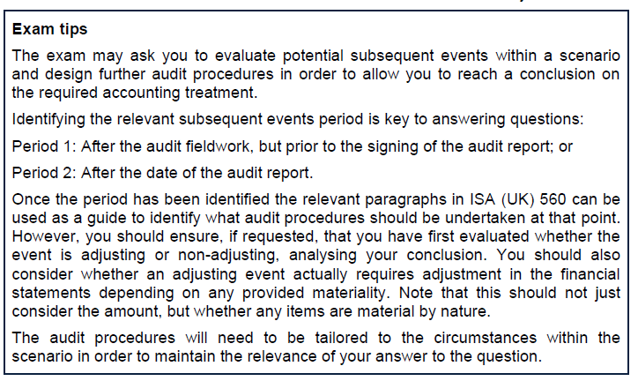

 | consider materiality and materiality by nature

 | Factory
 | adjusting event if true
 | note it is an adjusting event
 | overstatement of PPE | <<<think overstatement/understatement/mistatement

 | inventory
 | post balance sheet. Present obligation did not exist at year. No disclosure

 | Redundancy
 | present obligatoin at year end
 | adjusting account
 | provision for redundancy
 | this is material
 | then has to be included
 | Check the redundancy notices to check actually happened in the year.

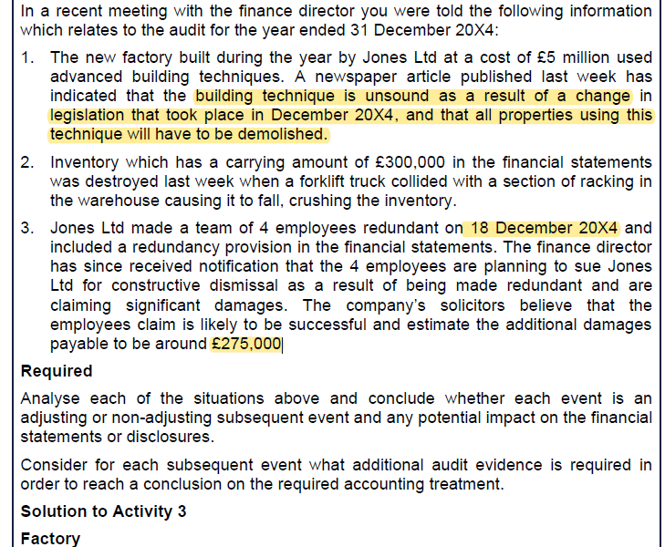

 | Evaluating the sufficiency and appropriateness of audit evidence

 | Final analytical procedures - (CAP)

 | Management Represenation letter

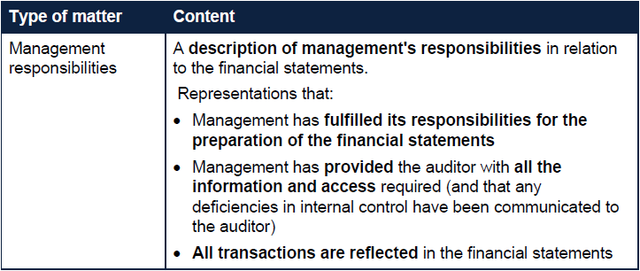

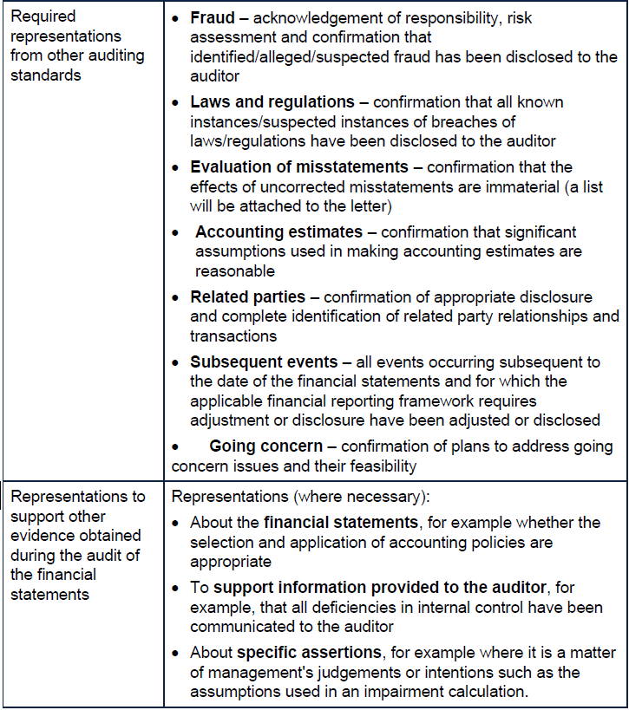

 | Concerns
 | if a representation is inconsistent with other audit evidence
 | the auditor should change approach and investigate the circumstances and, when necessary, reconsider the reliability of the other representatoins
 | where mgmt refuses to provide a representation that the auditor consideres necessary, this constitutes a limitation of scope and the auditor should disclaim an opinion.
 | Failure to provide representations on mgmt's responsibitlies for the financial statements as a whole is prevasive

 | Activity 4

 | Activity 4: Letter of representation
 | There are several items that the letter of representation should include as a matter of
 | course that could be implied from this scenario:
 | • Responsibilities for producing the financial statements
 | • That management have provided all relevant information and access
 | • That all transactions have been recorded and are reflected
 | However, there are specific issues that are more likely to need to be addressed
 | which you should focus on:
 | • As Felix holds financial instruments, any significant assumptions in valuing
 | these should be confirmed by Felix as being reasonable.
 | • The misstated inventory balances are not material so will not affect the audit
 | opinion in isolation. However, the auditor needs to ensure that Felix confirms
 | that the effects of such uncorrected misstatements are immaterial, both
 | individually and in aggregate, to the financial statements as a whole. A list of
 | uncorrected misstatements also needs to be attached to the representation
 | letter.
 | • Felix should obtain acknowledgement of management’s responsibility with
 | regards to the prevention and detection of fraud, fraud risk assessment and
 | confirmation that identified/alleged/suspected fraud has been disclosed to the
 | auditor.

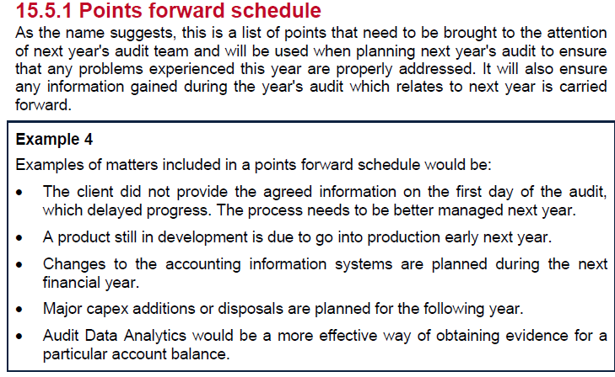

 | Audit highlights or summary review memorandum

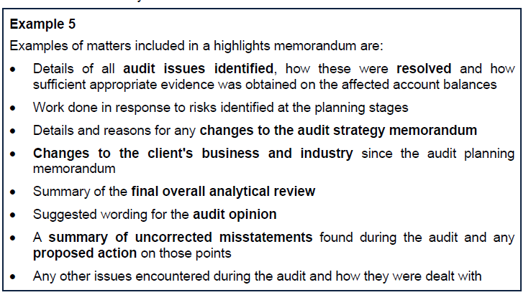

 | ISA 220 - Quallity Control procedures

 | General points that can be considered include the following:
 | • Whether the work has been performed in accordance with the firm’s policies
 | and procedures and other professional standards and legal and regulatory
 | requirements
 | • Whether significant matters have been raised for further consideration
 | • Whether appropriate consultations have taken place, and resulting conclusions
 | documented and implemented
 | • Whether there is a need to revise the work performed
 | • Whether the work performed supports the conclusions reached and is
 | appropriately documented
 | • Whether the evidence obtained is sufficient and appropriate
 | • Whether the objectives of the audit procedures have been achieved

 | Engagment partner review
 | This should include:
 | • Significant matters
 | • Significant judgements
 | • Any other matters deemed relevant by the engagement partner

 | EQR reuired for listed entities

